BR-01 - Bug report
Bug ID | Bug Name | Description | Steps to reproduce | Test data | Expected result | Actual result | Repro rate | Attachments | Priority | Severity

 | Situacija: u dato polje treba da unesem neki broj, a uopste nisam u mogucnosti bilo sta da unesem

BR- 01 | Sending message without input in Contact Email field | When you skip Contact Email field without input and click on button to send message. Message is sent, without any error notification. | 1. Open https://www.demoblaze.com/ in Chrome browser
 |  |  | 2. Go on Contanct in navigation menu
 | Na kraju mozemo ubaciti related Test Case broj koji je pao - RELATED BR:002, BR:003 |  | 3.Skip Contact Email field and click Send message | blank field | Email is required field, can not send message without correct email address | Popup message "Thanks for the message" | 100% | 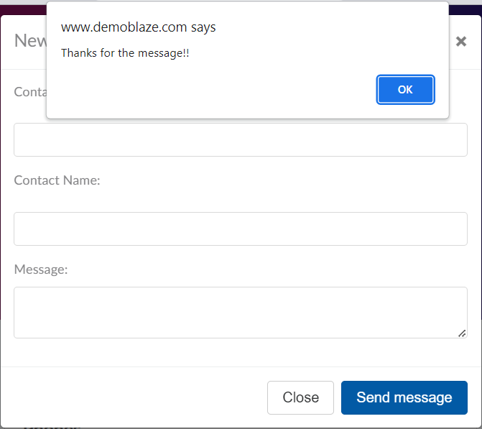 | High | High
 | IMPROVEMENT: | This https://www.demoblaze.com/ website needs a lot of improvements and changes especially in the part of user experience. One example: Cart from nav menu is better to stack Up in right corner and User can always to see which article is in the cart , what is current price... etc. No need to open cart tab in nav menu to see just cart, and you lose sight of other products.

